Results
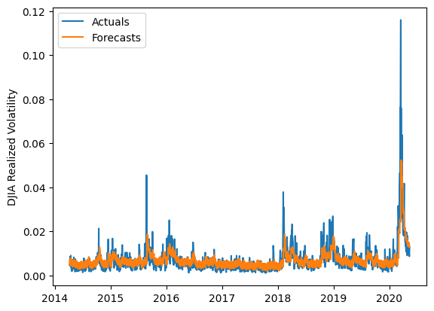
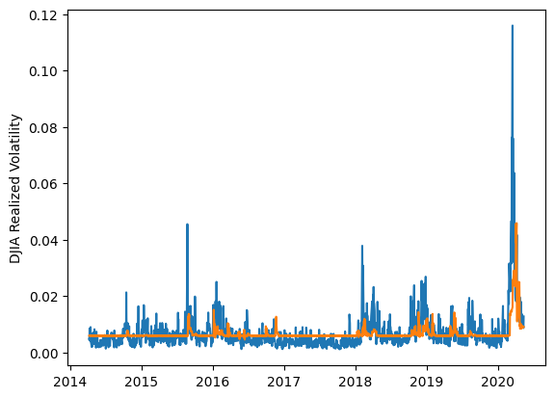
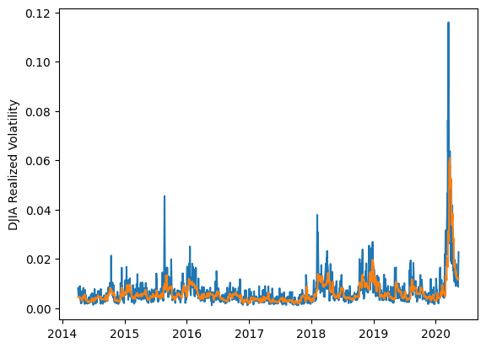
 | LSTM |  |  | TCN |  |  | NBEATSx |  |  |  |  | LSTM |  |  | TCN |  |  | NBEATSx
 | Accuracy | RMSE | Qlike | Accuracy | RMSE | Qlike | Accuracy | RMSE | Qlike |  |  | Accuracy | RMSE | Qlike | Accuracy | RMSE | Qlike | Accuracy | RMSE | Qlike
Trial 1 | 52.77% | 0.275% | 0.146 | 48.71% | 0.280% | 0.165 | 64.15% | 0.246% | 0.107 |  | Mean | 55.30% | 0.262% | 0.133 | 49.63% | 0.283% | 0.163 | 64.50% | 0.246% | 0.110
Trial 2 | 49.38% | 0.269% | 0.156 | 40.24% | 0.301% | 0.201 | 64.57% | 0.246% | 0.111 |  | Standard Deviation | 6.17% | 0.013% | 0.024 | 4.08% | 0.012% | 0.018 | 0.43% | 0.001% | 0.002
Trial 3 | 62.39% | 0.248% | 0.107 | 53.55% | 0.284% | 0.149 | 64.47% | 0.247% | 0.111 |  | 95% CI upper bound | 67.64% | 0.288% | 0.180 | 57.79% | 0.307% | 0.199 | 65.35% | 0.248% | 0.115
Trial 4 | 55.54% | 0.261% | 0.130 | 49.69% | 0.283% | 0.165 | 64.88% | 0.246% | 0.112 |  | 95% CI lower bound | 42.95% | 0.236% | 0.086 | 41.48% | 0.260% | 0.128 | 63.65% | 0.243% | 0.106
Trial 5 | 54.12% | 0.263% | 0.134 | 49.25% | 0.296% | 0.170 | 63.80% | 0.246% | 0.107 |  | 99.7% CI upper bound | 73.81% | 0.301% | 0.204 | 61.87% | 0.318% | 0.217 | 65.77% | 0.250% | 0.117
Trial 6 | 57.85% | 0.253% | 0.123 | 54.09% | 0.274% | 0.145 | 64.03% | 0.247% | 0.110 |  | 99.7% CI lower bound | 36.78% | 0.223% | 0.062 | 37.40% | 0.248% | 0.110 | 63.22% | 0.242% | 0.104
Trial 7 | 59.58% | 0.253% | 0.116 | 47.91% | 0.275% | 0.166 | 64.92% | 0.243% | 0.109
Trial 8 | 58.59% | 0.258% | 0.119 | 54.08% | 0.271% | 0.143 | 63.98% | 0.248% | 0.110
Trial 9 | 39.71% | 0.298% | 0.195 | 49.97% | 0.278% | 0.161 | 64.36% | 0.247% | 0.111
Trial 10 | 63.82% | 0.253% | 0.108 | 51.70% | 0.279% | 0.154 | 65.07% | 0.246% | 0.113
Trial 11 | 58.09% | 0.253% | 0.121 | 50.97% | 0.280% | 0.155 | 64.92% | 0.245% | 0.112
Trial 12 | 57.55% | 0.254% | 0.122 | 52.27% | 0.271% | 0.150 | 64.73% | 0.246% | 0.113
Trial 13 | 53.95% | 0.258% | 0.136 | 50.46% | 0.282% | 0.161 | 64.35% | 0.245% | 0.109
Trial 14 | 58.73% | 0.253% | 0.119 | 50.44% | 0.282% | 0.159 | 64.12% | 0.245% | 0.108
Trial 15 | 47.40% | 0.275% | 0.163 | 41.19% | 0.314% | 0.204 | 65.09% | 0.246% | 0.114

 | LSTM (best trial) |  |  |  |  |  |  |  |  | TCN (best trial) |  |  |  |  |  |  |  |  | NBEATSx (best trial)

